Data Flow
Data Flow

 | Original CSV Files
2015.CSV
158 Rows x 12 Columns
2016.CSV
157 Rows x 13 Columns
2017.CSV
155 Rows x 12 Columns
2018.CSV
156 Rows x 9 Columns
2019.CSV
156 Rows x 9 Columns
GDP Indicators 2015 to 2019.CSV
1050 Rows x 5 Columns

Final Dimensions
WHR_GDP_2015to2019.CSV
782 Rows x 14 Columns
Columns Dropped: 1 '_merge'
Aggregated Columns: 0
Rows Dropped: 0
 | Concatenated Files
WHR_ALL.CSV
782 Rows x 11 Columns
WHR_GDP_
2015to2019.CSV
785 Rows x 15 Columns

Visuals
Visuals

 | Related to Question | Visual
 | 1. How strongly is a country's GDP correlated with its happiness score? Info on Graphics Depicted visuals include a correlational heatmap that indicated correlations between intersecting variables. The scatterplot depicts the plot that was created during linear regressive analysis between GDP per capita and happiness scores | 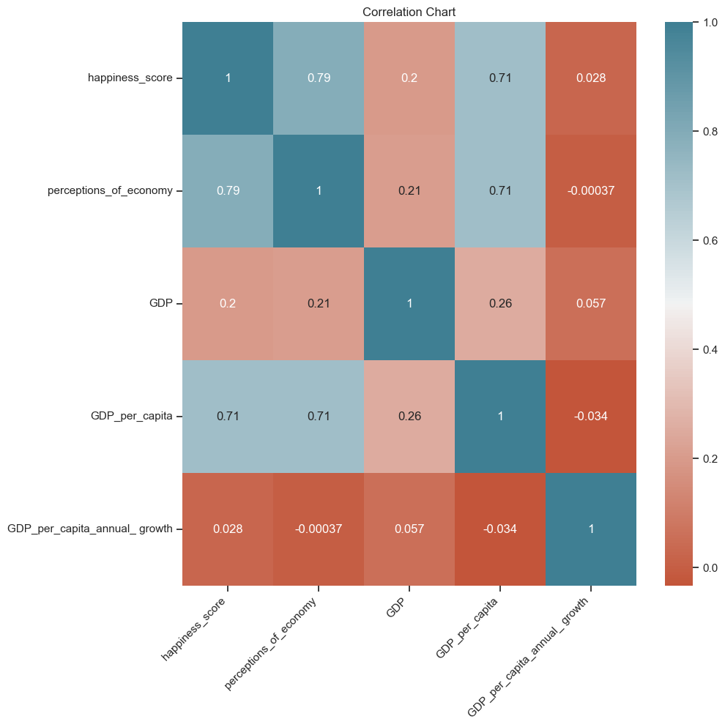 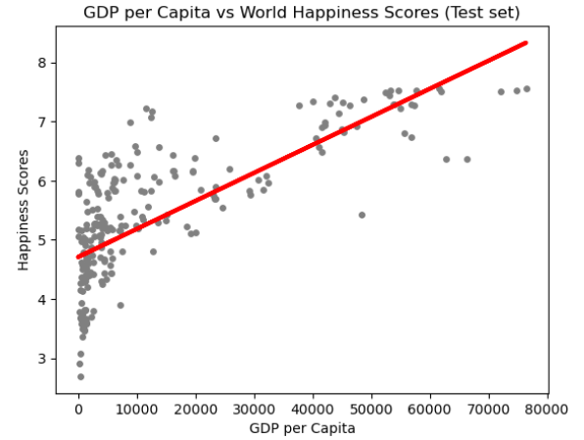

 | 2. Are the wealthiest countries by year ranked the happiest by the WHR? Info on Graphics Bar charts are in decending order of the top 15 countries in their respective categories. | 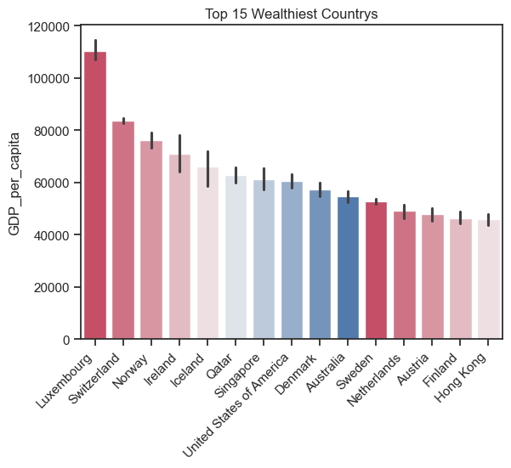 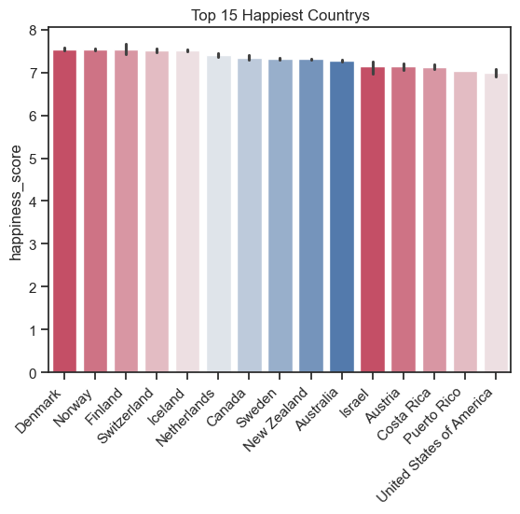
 | 3. Are there certain regions of the world that are happier and/or wealthier based on these reports? Info on Graphics on the left is a bar graph showing the AVG happiness scores of grouped regions in descending order. Underneath is an accompanying geospation chart for a visual of regions with the same data | 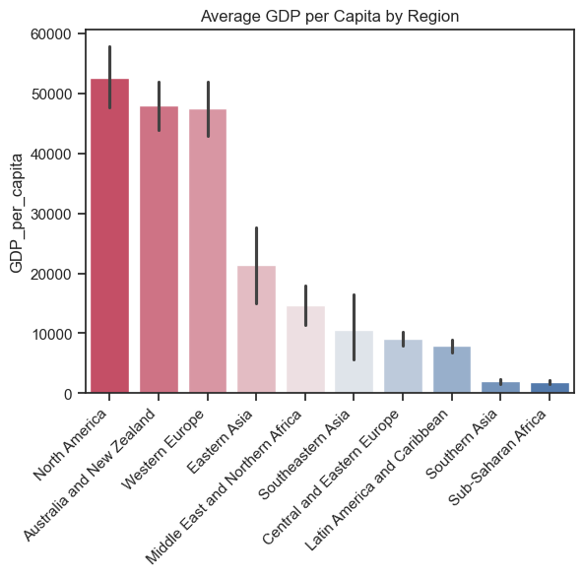 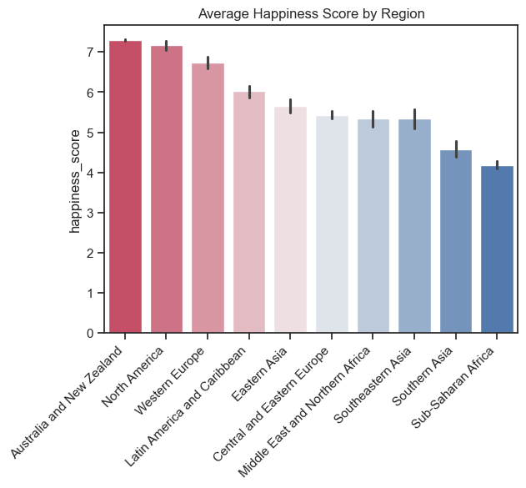
 | 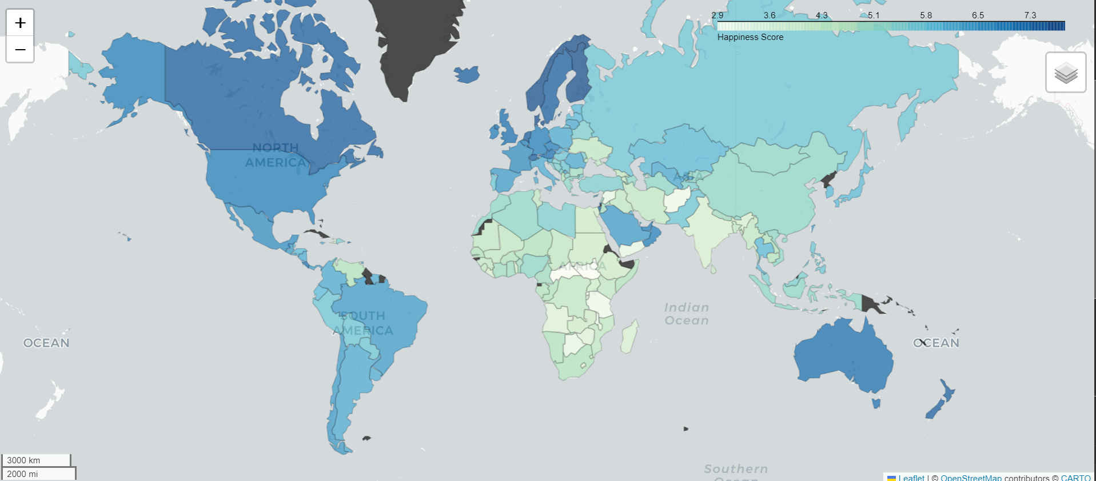 | 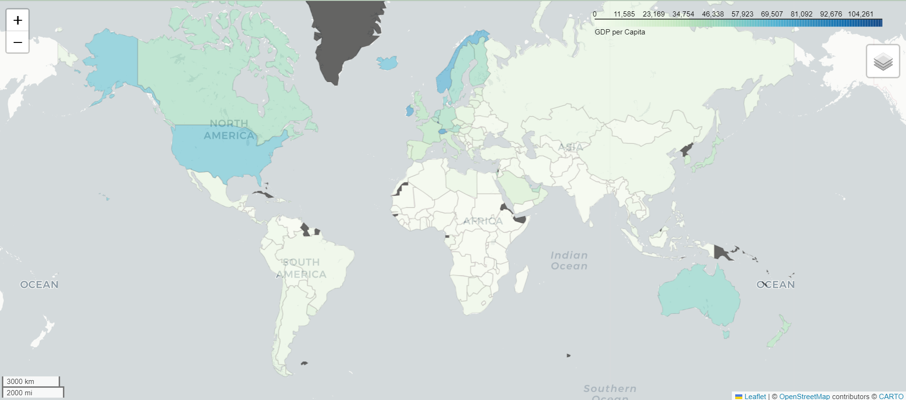
 | 4. How does regional economic development relate to regional happiness levels? Info on Graphics The chart on the left was created using unsupervised machine learning using the KMEANS algorythm. The chart on the right was formed in Tableau using the clustering program | 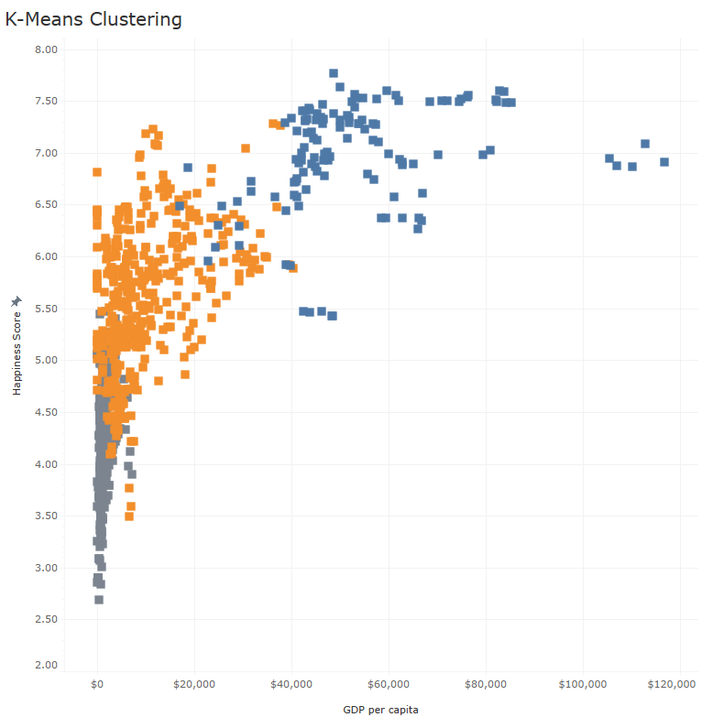 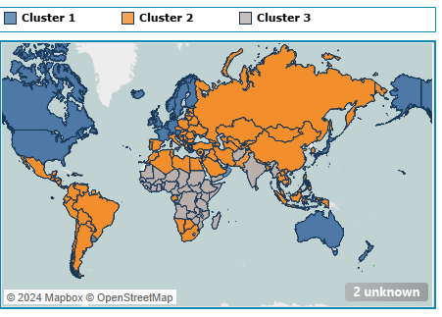

 | 5. Are there any outliers where a country's happiness is disproportionately high or low given its GDP? Info on Graphics This chart was created on tableau given the amount of countries that required mapping and the functionality needed for this visulization process.
 |  | 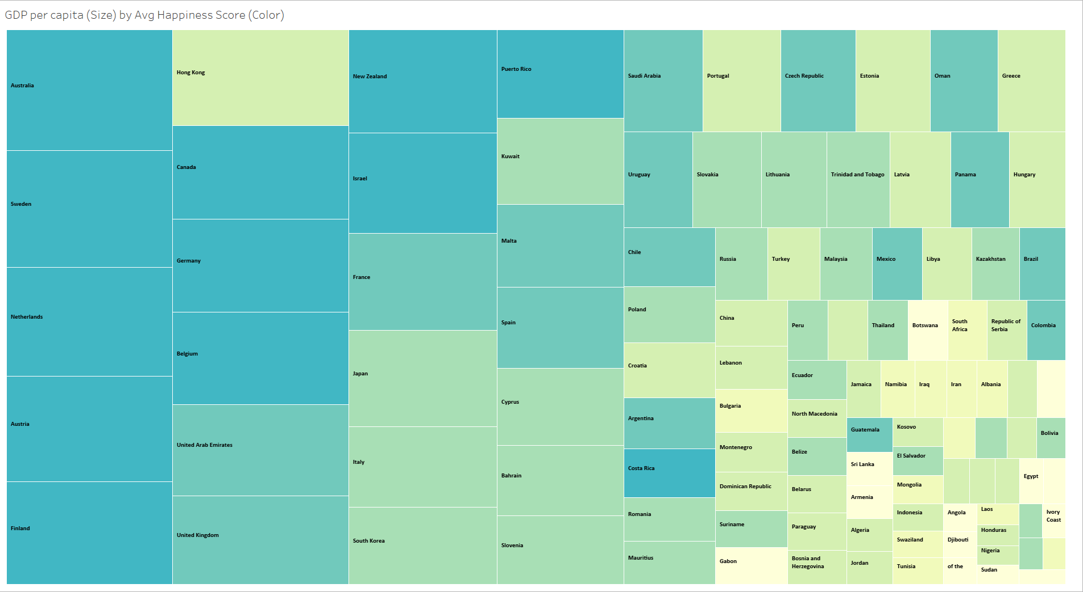
 | 6. How have the relationships between GDP and happiness changed over time? Info on Graphics Time series analysis depictingthe avererages of the world in their respective categories. The two charts below were created in Tableau due to time constaints at the end of this analysis. They depict regional subsets of the same averages over time. | 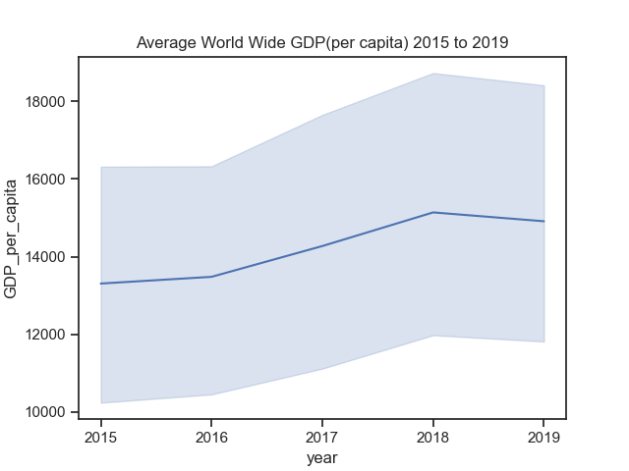 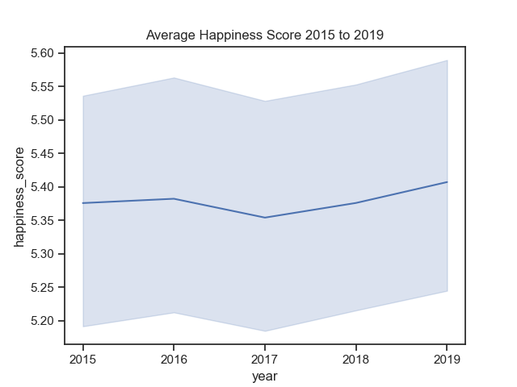
 | 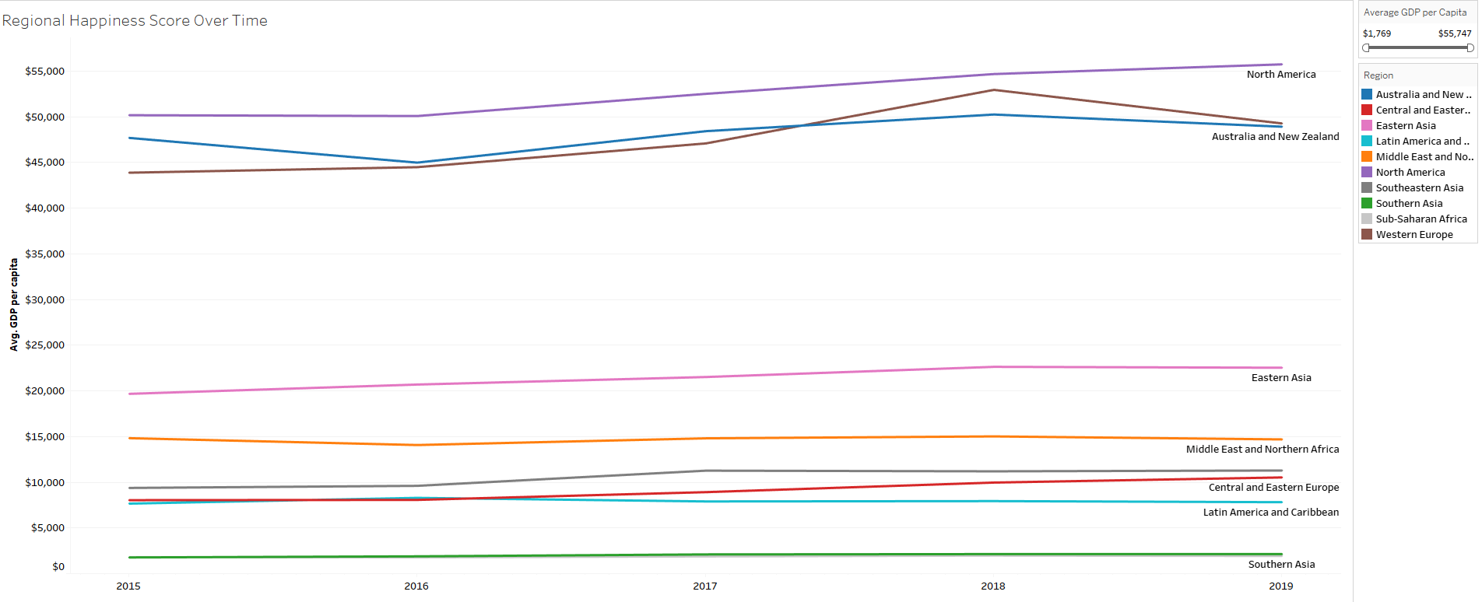 | 